Market Index Construction
Note:
Excluded Data is filled with

Cedar Fair | Historical Actual Return on Equity | Self Constructed Industry
2013 | 73.71% |  | Market Cap (in Billion) | Avg actual RoE in last 5 Yr | Market Weight
2014 | 92.77% | Cedar Fair | 3.7 | 83.24% | 7.20%
2015 | 145.46% | Sea World | 1.23 | 12.19% | 2.39%
2016 | 299.64% | Merlin | 4.944816 | 17.10% | 9.62%
2017 | 303.46% | DIS | 41.525494416 | 18.73% | 80.79%
Avg RoE | 83.24%
 |  | Industry Cap | 51.400310416 | Industry ROE | 23.1%
Sea World | Historical Actual Return on Equity
2013 | 18.38%
2014 | 9.40%
2015 | 11.79% | * For Disney Theme Parks' market cap, we gathered the following Info from Annual Report
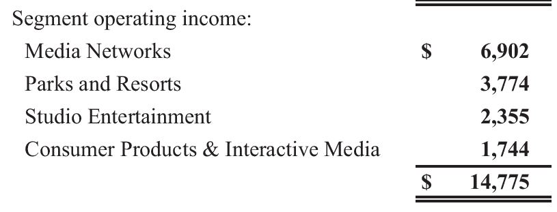
2016 | 9.18%
2017 | -53.96%
Avg RoE | 12.19%

Merlin | Historical Actual Return on Equity
2013 | 20.86%
2014 | 17.91%
2015 | 16.33%
2016 | 16.43%
2017 | 13.99%
Avg RoE | 17.10% | Calculation of Disney Theme Park's market Cap in Billion $
 |  | Walt Disney's total market cap |  | 162.57
 |  | The weight of Parks and Resort |  | 0.25543147208
Disney | Historical Actual Return on Equity | The market cap for theme Parks and Resort |  | 41.525494416
2013 | 14.46%
2014 | 16.85%
2015 | 19.69%
2016 | 21.36%
2017 | 21.27%
Avg RoE | 18.73%

